A1
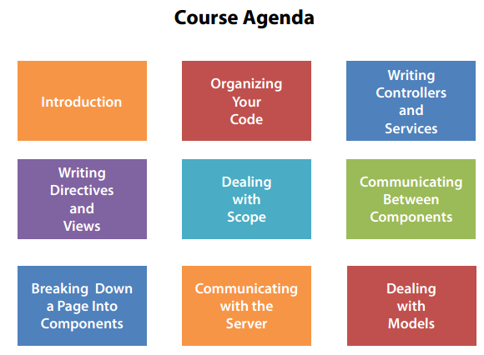
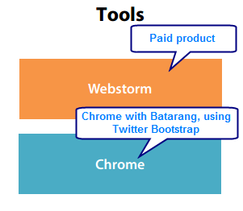
Summary

B1
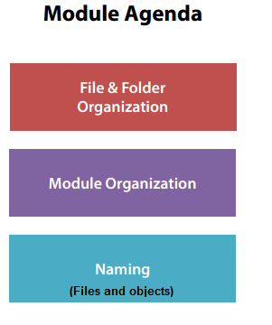
Summary

B2
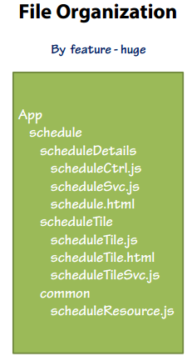
Summary

Angular seed: unnecessary code.
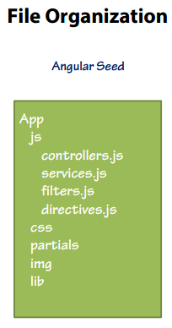

Angular seed: garbage
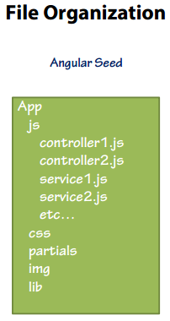

Ex: when js folder has more than 15 different files then you can organize by type as
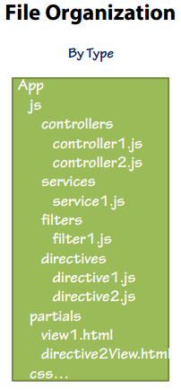

This file organization is used for medium project.
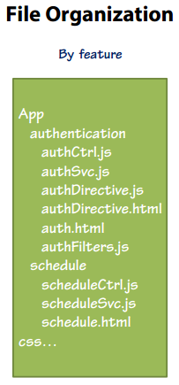

Used for medium project and there are more than 15 different files for one folder.
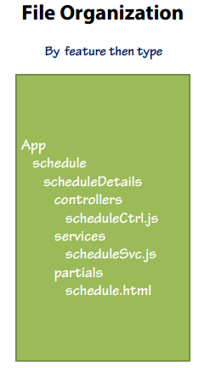

Used for largest project.

B3
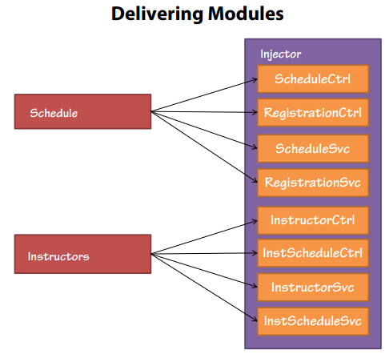
Summary

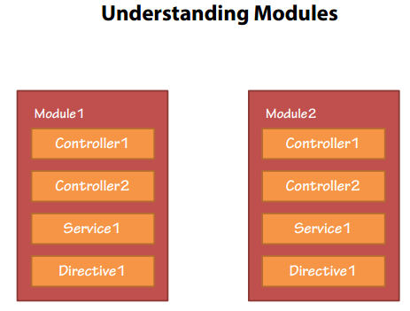

Module is not simple as a container.
All objects in Module1 and Module2 are same.
When you inject Module1 and Module2 into a parent Module then there is one instance of each object of both modules at the same time.

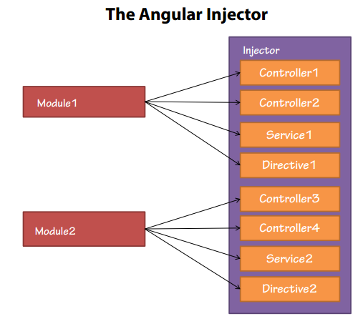

Inject Controller1, Controller2, Service1, Directive1 into Module1
Inject Controller3, Controller4, Service2, Directive2 into Module2

B4
Summary

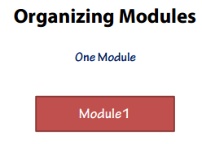

Simplest. Simple application.
Difficult to share code among several applications.

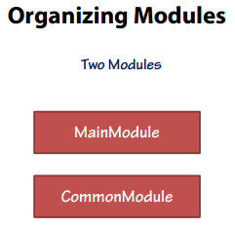

Two modules: one for current application, one for sharing.
Build applications that share some code, publish to third parties.

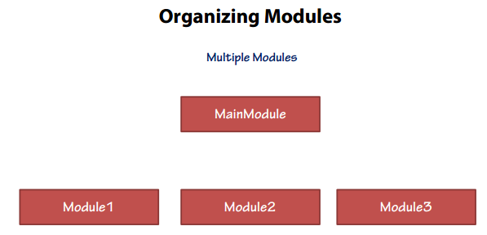

Multiple modules: one main module and several sub-modules.
Main module may/may not have actual object.
Can deliver the parts of your application.
Ex: with AngularJS, main module is NG, sub-modules are ngResource, ngRoute, …
Complex. Combine multiple modules to one to run your application.

B5
Summary

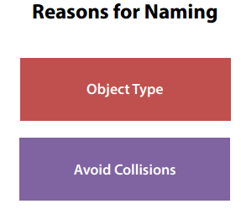

Object type: read file name to know the type of file without context. Ex: controller, service, directive, …
Avoid collisions: ScheduleCtrl in Students and ScheduleCtrl in Instructors
 | - In Angular, objects require unique name.
 | - Two objects with same name: do not throw error, just override.

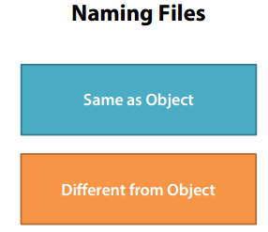

Same as Object
 | - Easy to search
 | - Name contains some information but Object does not contain it.
Different from Object
 | - Free to add extra information in file name (ex: suffix)
 | - May be difficult to find file by Object name ==> Use naming to help.

B6
Summary

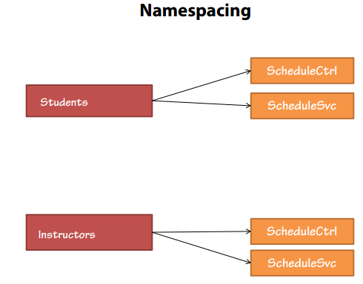

Students and Instructors are two modules. They use same object names.
Object names can be overrided at the same time.

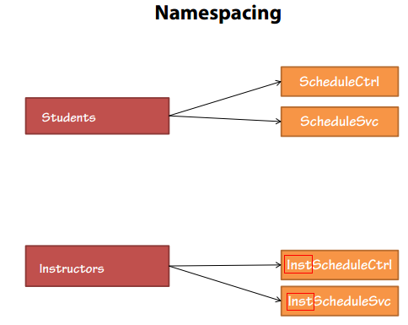

Inst: long ==> need to be changed.

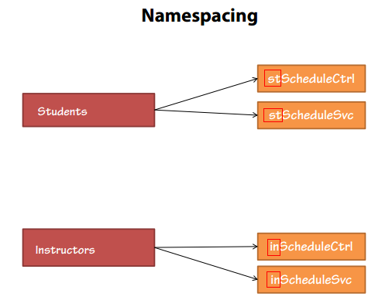

Use st as namespace for Students.
Use in as namespace for Instructors.

B7
Summary

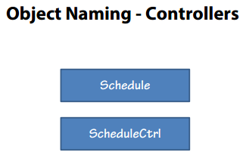

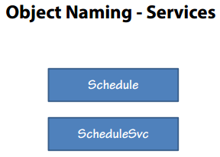

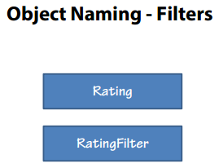

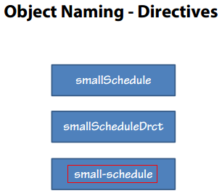

For directive, can use: smallScheduleDrct OR small-schedule. At the current: use small-schedule style.

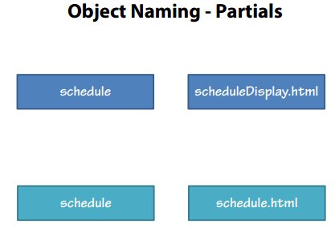

For partials, there is not any rule, just easy to understand and make sense.

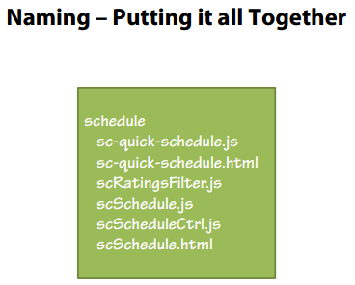

sc is namespace.

C1
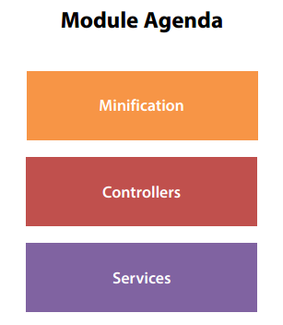
Summary

C2
Summary

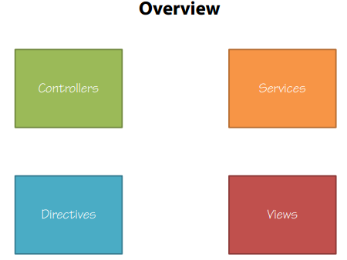

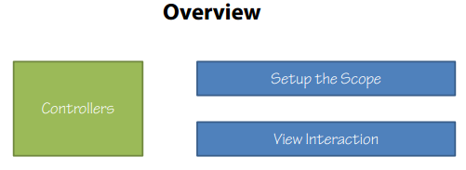

Controllers:
 | - Setup the scope: to help the data can be bound to the view.
 | - View interaction: receive interaction from the view, handling interaction to internal or right place.

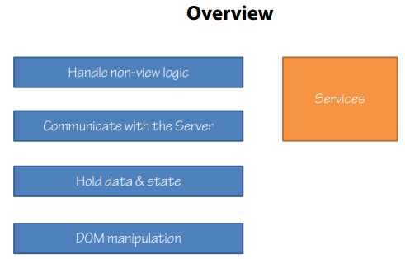

DOM manipulation is a very rare responsible of services.
Using services to handler some difficult forms of DOM manipulation.

Directive may include a controller and a view.
Manipulate DOM: almost DOM.

C3
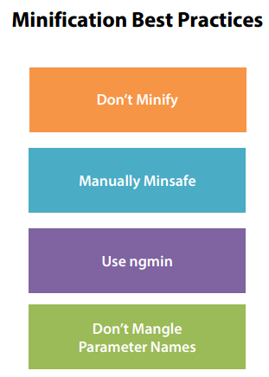
Summary

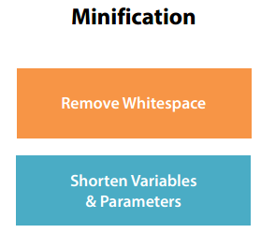

Minification: rewriting Javascript code as small as possible.
Remove unnecessary whitespace.
Minification: response faster, obscure purpose ==> protect code.

Ex, define factory as:

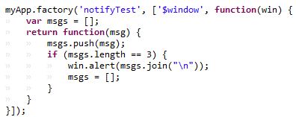

And use factory as longterm

Using factory as shorterm

C4
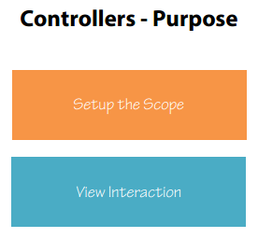
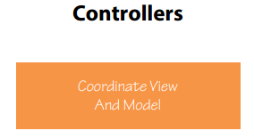
Summary

C5
Summary

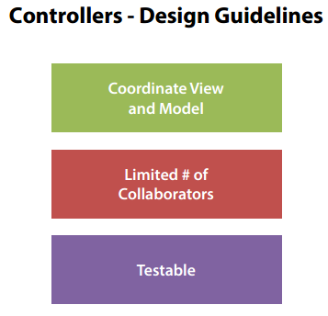

Controller only coordinate view and model, does not do any business logic.
Limited # of collaborators: limit the number of dependencies in one controller.

C6
Summary

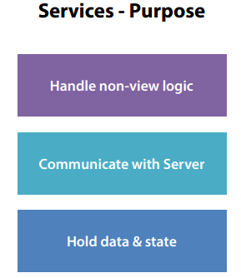

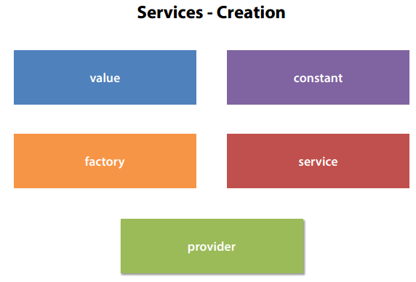

Create services by command:
 | app.value
 | app.constant
 | app.factory
 | app.service
 | app.provider

C8
Summary

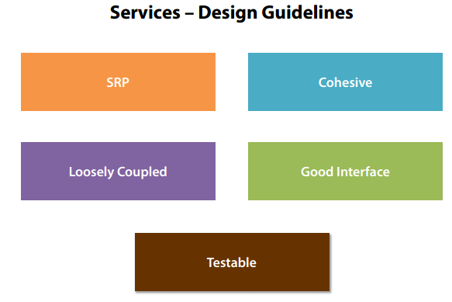

SRP: Single Responsibility Principle

C9
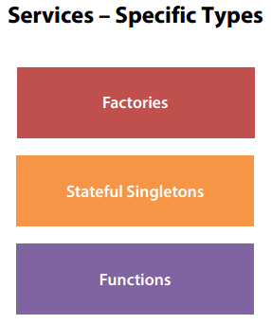
Summary

D1
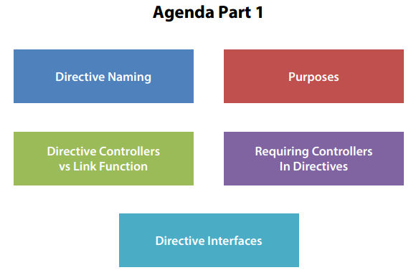
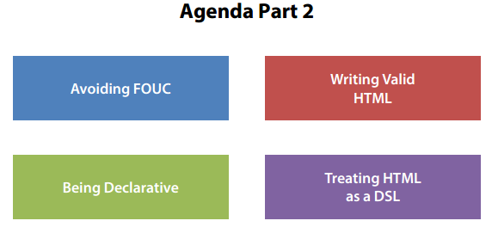
Summary

D2
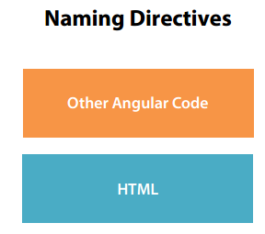
Summary

D3
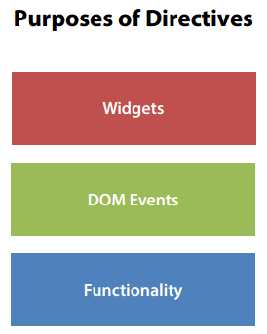
Summary

D5
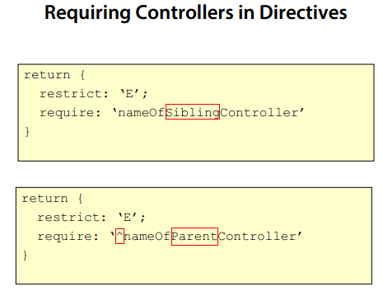
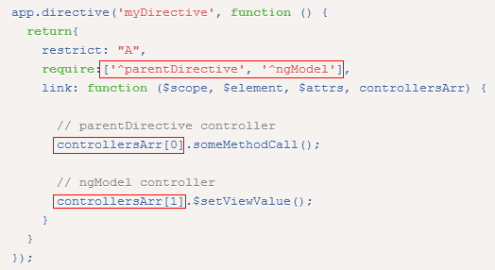
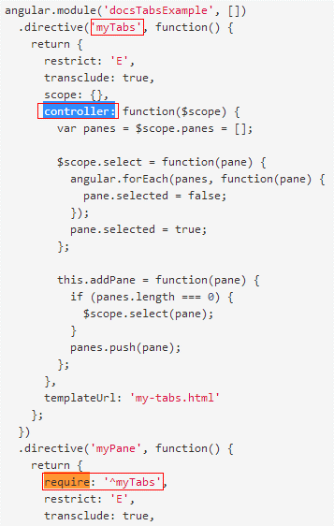
Summary

D6
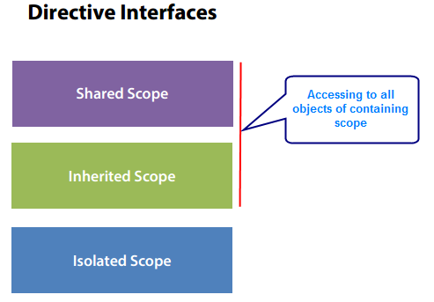
Summary

D7
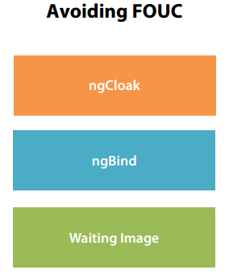
Summary

D8
Summary

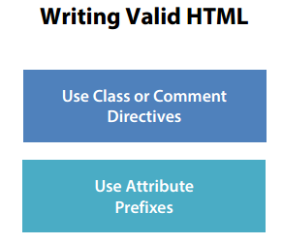

Most important: never use the element form of directive.

D9

Summary

D11
Summary

Full HTML (before breaking down to directive)



After breaking into directives

E1

Summary

E3




Summary






Scope2 inherits from Scope1. So, Div 5 can bind to any data of Scope1 as well as Scope2.



Scope1 inherits from Root Scope ==> Scope2 also inherits from Root Scope. So, all divs can bind to any data of Root Scope.

E4


Summary

E6

Summary

F1


Summary

F2


Summary

F3

Summary

F4

Summary

F5

Summary

G1

Summary

H1

Summary

I6



Summary

Three components of Backbone

I8




Summary

Three components of Backbone

I9

Summary

I10

Summary

